TF-IDF Vectorizer
 | precision | recall | f1-score
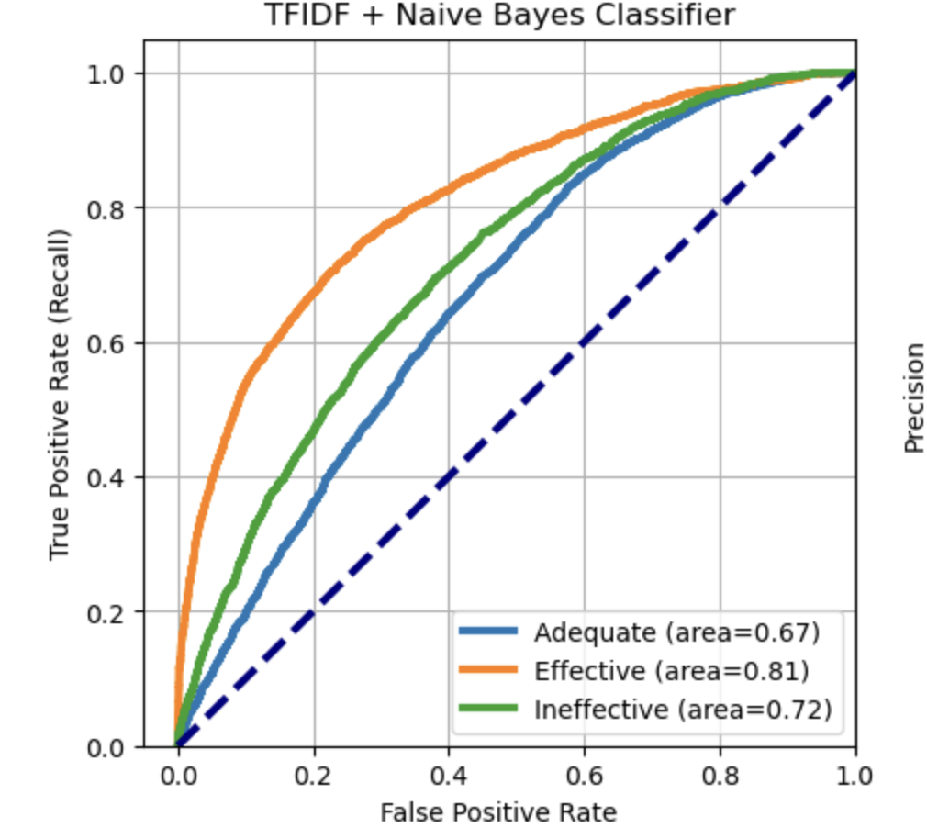
Effective | 0.62 | 0.44 | 0.52
Adequate | 0.63 | 0.87 | 0.73
Ineffective | 0.57 | 0.12 | 0.19

Accuracy | 0.63
W. F1 score | 0.58
AUC-ROC score | 0.7

W2V DNN
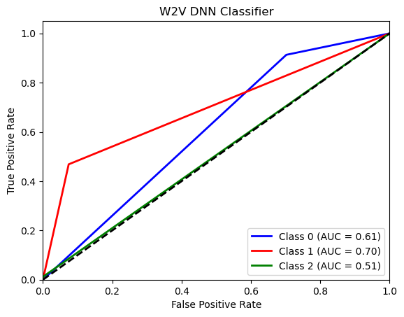
 | precision | recall | f1-score

Effective | 0.71 | 0.41 | 0.52
Adequate | 0.63 | 0.93 | 0.75
Ineffective | 0.59 | 0.05 | 0.09

Accuracy | 0.64
W. F1 score | 0.58
AUC-ROC score | 0.6

Sentence Transformer
 | precision | recall | f1-score

Effective | 0.56 | 0.22 | 0.32
Adequate | 0.66 | 0.85 | 0.74
Ineffective | 0.69 | 0.52 | 0.59

Accuracy | 0.66
WAvg. Accuracy | 0.63
AUC-ROC score | 0.783
log loss | 0.759

With Class Weights

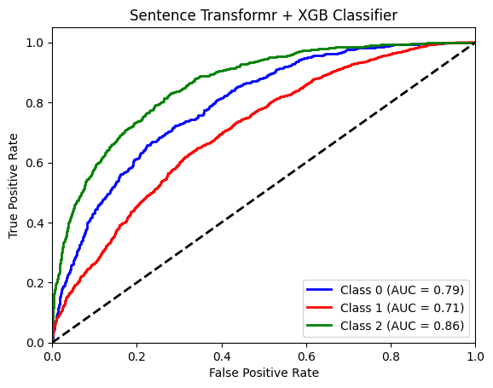
 | precision | recall | f1-score

Effective | 0.45 | 0.47 | 0.46
Adequate | 0.7 | 0.68 | 0.69
Ineffective | 0.62 | 0.63 | 0.63

Accuracy | 0.63
W. F1 score | 0.63
AUC-ROC score | 0.786
log loss | 0.778

BERT
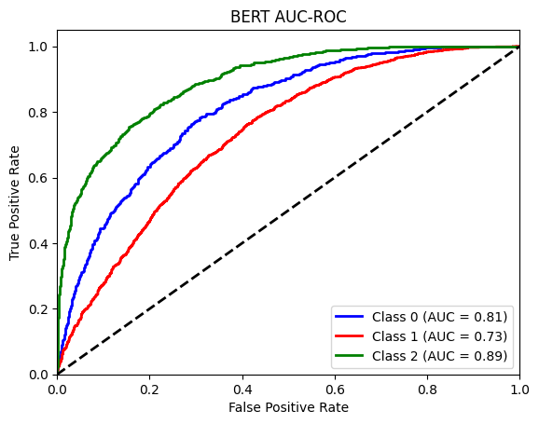
 | precision | recall | f1-score

Effective | 0.37 | 0.72 | 0.49
Adequate | 0.77 | 0.41 | 0.53
Ineffective | 0.58 | 0.82 | 0.68

Accuracy | 0.57
W. F1 score | 0.56
AUC-ROC score | 0.818
log loss | 0.84

